Legend
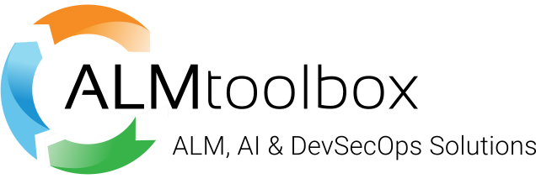
Symbol | Meaning
v | Feature available in given edition
/ | Feature partially available in given edition

Generated by ALM Toolbox Ltd., Select partner of GitLab since 2016
https://almtoolbox.com
September 10, 2026

